Data Source
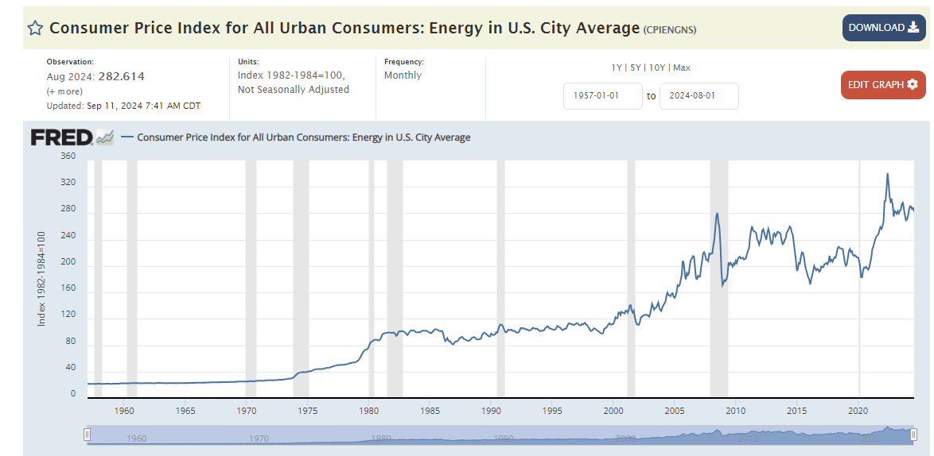
Source: https://fred.stlouisfed.org/series/CPIENGNS

